Sheet1
 | rank0 | rank1
bucket 0 | module.model.norm.weight.pt.npy | module.model.norm.weight.pt.npy
 | module.model.layers.7.mlp.down_proj.weight.pt.npy | module.model.layers.7.mlp.down_proj.weight.pt.npy
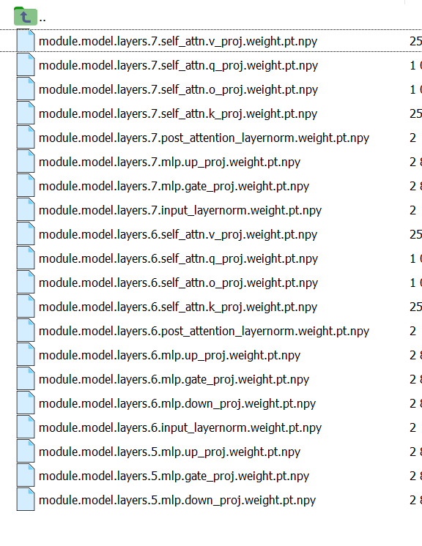
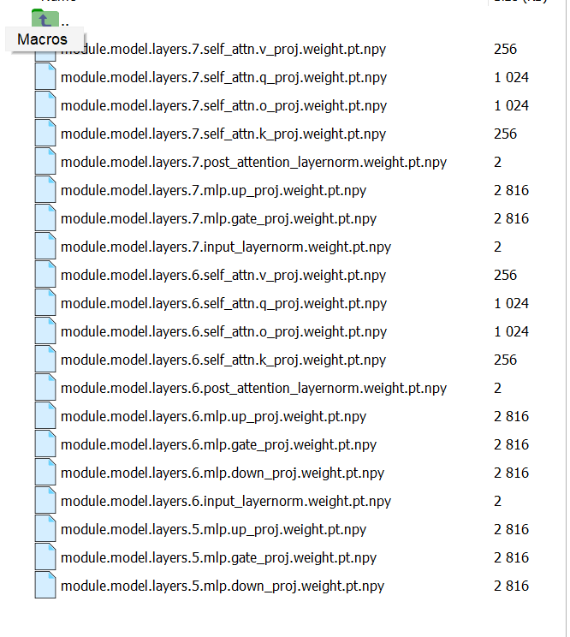
bucket 1

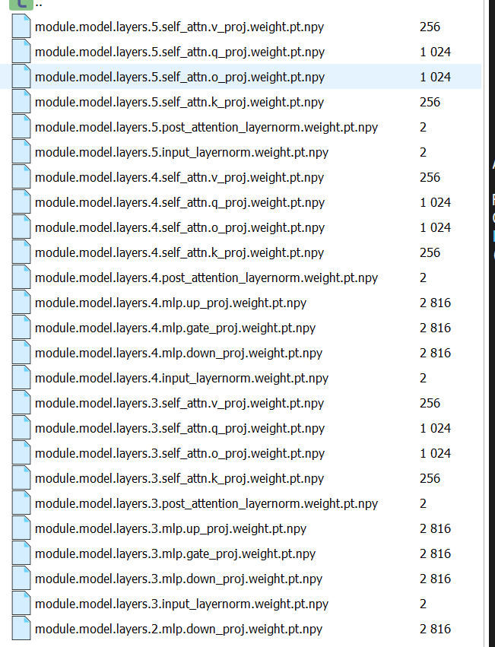
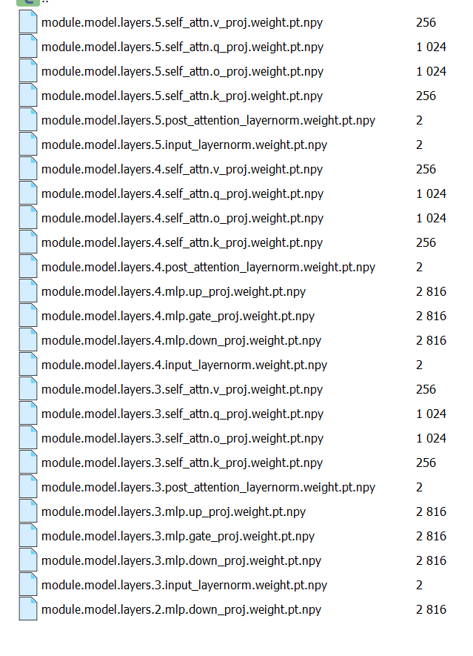
bucket 2

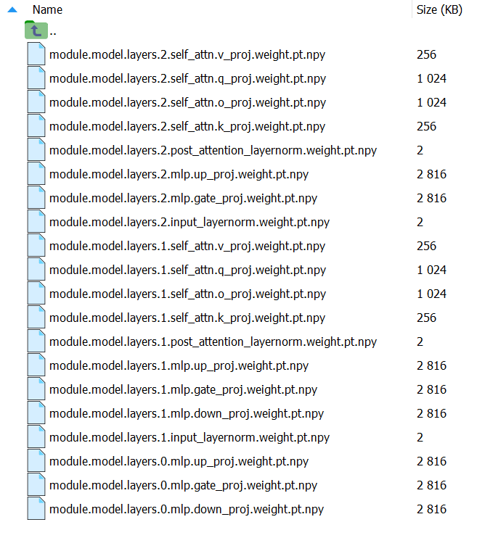
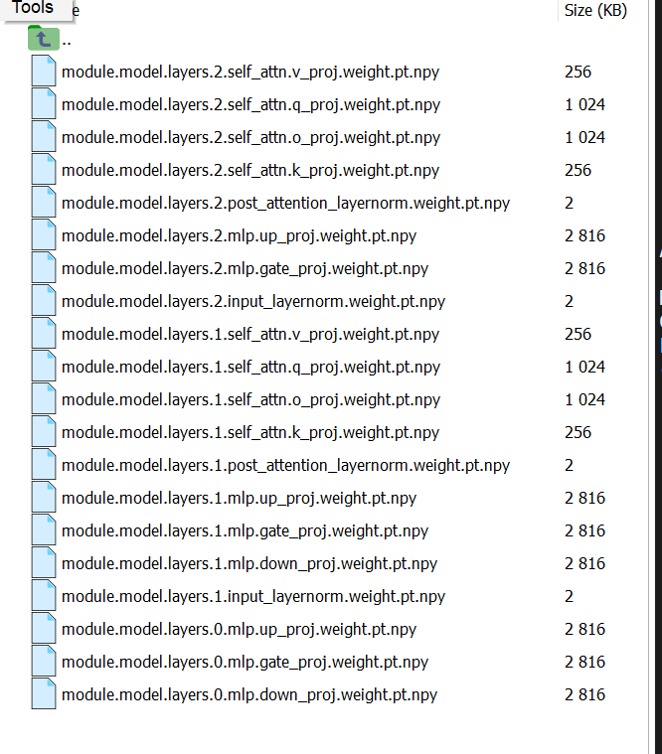
bucket 3

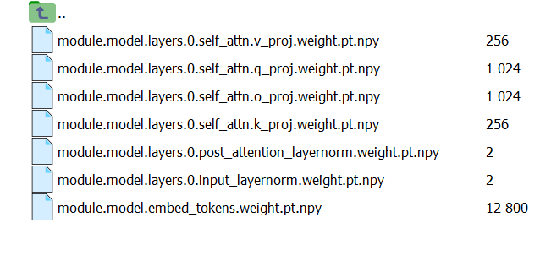
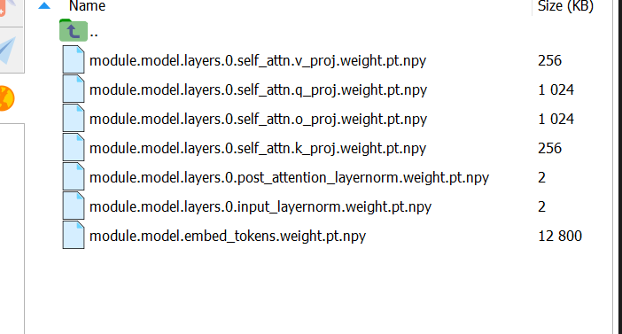
bucket 4

